Лист1
$$\left\{\begin{aligned}\sin\left(y−1\right)+x=1,3 \\ y−\sin\left(x+1\right)=0,8\end{aligned}\right. \\ F\left(x, y\right)=\sin\left(y−1\right)+x−1,3 \\ G\left(x,y\right)=y−\sin\left(x+1\right)−0,8 \\ F_{x}^{′}\left(x,y\right)=1 \\ F_{y}^{′}\left(x, y\right)=\cos\left(y−1\right) \\ G_{x}^{′}\left(x,y\right)=−\cos\left(x+1\right) \\ G_{y}^{′}\left(x,y\right)=1 \\ Δ=\left|\begin{matrix}F_{x}^{′}(x, y) & F_{y}^{′}(x, y) \\ G_{x}^{′}(x, y) & G_{y}^{′}(x, y)\end{matrix}\right|=\left|\begin{matrix}1 & \cos\left(y−1\right) \\ −\cos\left(x+1\right) & 1\end{matrix}\right|= \\ =1+\cos\left(x+1\right)∗\cos\left(y −1\right) \\ Δ_{h}=\left|\begin{matrix}−F\left(x, y\right) & F_{y}^{′}(x, y) \\ −G\left(x,y\right) & G_{y}^{′}(x, y)\end{matrix}\right|=\left|\begin{matrix}1,3−\sin\left(y−1\right)−x & cos⁡(y−1) \\ 0,8+\sin\left(x+1\right)−y & 1\end{matrix}\right|= \\ =1,3−\sin\left(y−1\right)−x−\cos\left(y−1\right)∗\left(0,8+\sin\left(x+1\right)−y\right) \\ Δ_{k}=\left|\begin{matrix}F_{x}^{′}(x, y) & −F\left(x, y\right) \\ G_{x}^{′}(x, y) & −G\left(x,y\right)\end{matrix}\right|=\left|\begin{matrix}1 & 1,3−\sin\left(y−1\right)−x \\ −\cos\left(x+1\right) & 0,8+\sin\left(x+1\right)−y\end{matrix}\right|= \\ =0,8+\sin\left(x+1\right)−y+\cos\left(x+1\right)∗\left(1,3−\sin\left(y−1\right)−x\right)$$
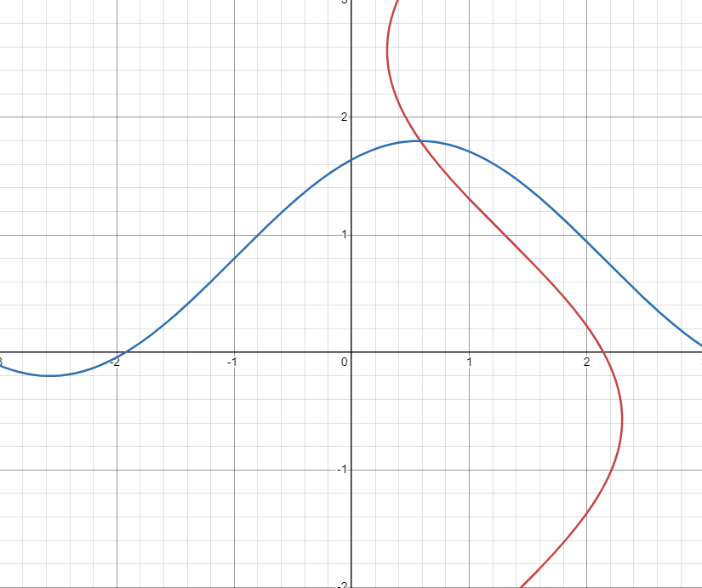
итер. | x | y | h | k
0 | 0.6 | 1.8 | -0.017413264069 | 8.2062034033E-05
1 | 0.58258673593 | 1.800082062 | 0.00010646647682 | -0.00015282335687
2 | 0.58269320241 | 1.7999292387 | 1.2428829709E-08 | -5.8150197174E-09
3 | 0.58269321484 | 1.7999292329 | 0 | 0

$$h=\frac{Δ_{h}}{Δ}=\frac{1,3−\sin\left(y−1\right)−x−\cos\left(y−1\right)∗\left(0,8+\sin\left(x+1\right)−y\right)}{1+\cos\left(x+1\right)∗\cos\left(y−1\right)} \\ k=\frac{Δ_{k}}{Δ}=\frac{0,8+\sin\left(x+1\right)−y+\cos\left(x+1\right)∗\left(1,3−\sin\left(y−1\right)−x\right)}{1+\cos\left(x+1\right)∗\cos\left(y−1\right)}$$

https://mrexam.ru/systemofequations?solve_1=sin%E2%81%A1(y-1)%2Bx%3D1%2C3&solve_2=y-sin%E2%81%A1(x%2B1)%3D0%2C8&x=x&x1=-10&x2=10&y=y&y1=-10&y2=10

